Лист1
Test ID 1#
Precondition | Environment: Laptop, Windows 10 Pro, Google Chrome Browser. User is on: https://qa.aaee.by/
 | Steps to reproduce | Expected Result | Status | Screenshot

1. | To create a publication, you need to log in. Open the Authors tab. Сreate positive test (full name of the author (no more than 30! characters); avatar of the author (* .jpg).)Name: Штейн Каролина Кирилловна | New Author successfully created | Pass
2. | Create a negative test with Author Registration (full name of the author (more than 30 characters); avatar of the author (* pdf).) | Сan't enter more than 30 characters in the space for Name. The author is not created with pictures in incorrect format. | Pass
3. | Create a negative test with Author Registration (name of the author (0 character) | The author is not created | Fail | 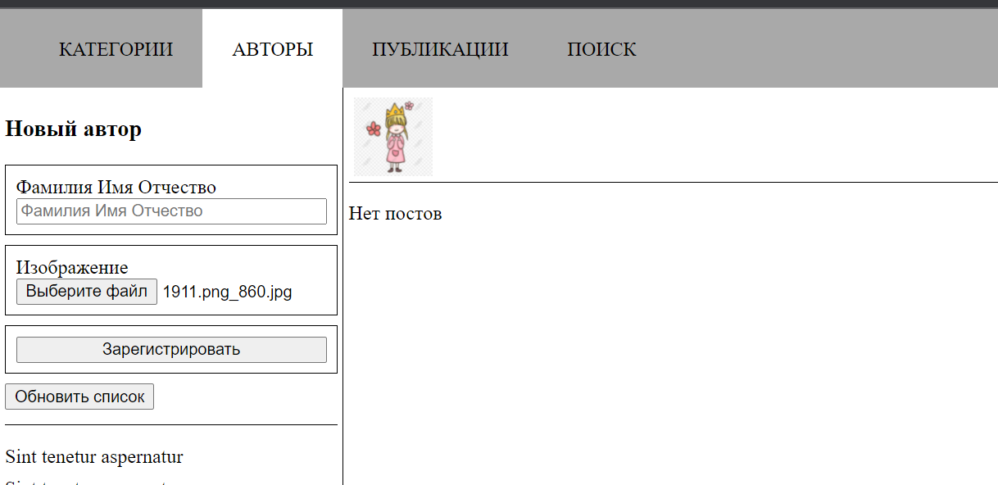
4. | Create a new Post. Positive test (title -Идеальный QA (no more than 15 characters); text (unlimited size); creation date; image (* .jpg). | New Post successfully created | Pass
5. | Create a new Post. Negative test (title - (0 character); text (-); creation date; image (* .pdf). | New Post is not created | Pass | 
6. | Сreate second posts from one Author | One Author has two Publications | Pass | 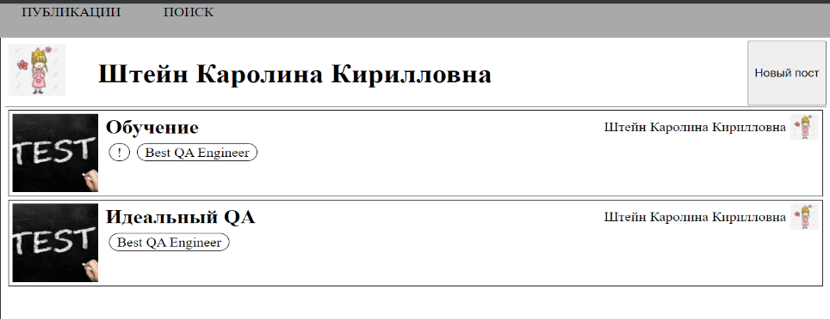
7. | Create a new category. Positive test (category name ((no more than 30 characters); parent category (one or none). | New category successfully created. *wrong placeholder in input "Surname First name ..." to "Category name" | Pass | 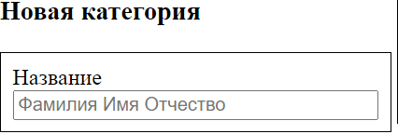
8. | Create a new category. Negative test (category name - 1 character) | Validation works, but category create | Fail | 
9. | Open the Search tab. Search by post title, by author name. | All posts by Author and by title found | Pass | 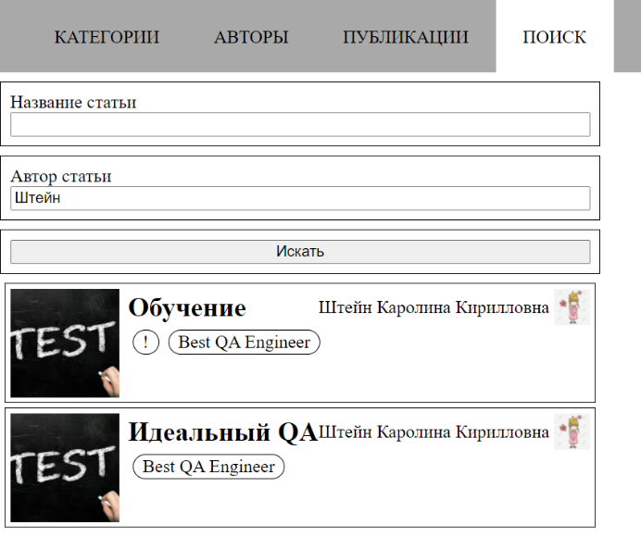
10. | The publication, in addition to basic information (title, text, date and image), contains information about the author and categories. | The Publication has title, text, date and image, information about the author and categories. | Pass

Test ID 2#
Precondition | Environment: IPhone, IOS 15.1, Safari. User is on: https://qa.aaee.by/

 | Adapted Web page opens on a mobile device | Website adapting to different screen sizes automatically. | Fail | 